Practice TC
 |  |  |  |  | Instruction
Name | Bring date here |  |  | Output Like this
Prentice | Pr | enti | ce
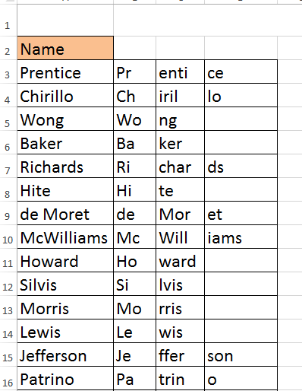
Chirillo | Ch | iril | lo
Wong | Wo | ng
Baker | Ba | ker
Richards | Ri | char | ds
Hite | Hi | te
de | de
McWilliams | Mc | Will | iams
Howard | Ho | ward
Silvis | Si | lvis
Morris | Mo | rris
Lewis | Le | wis
Jefferson | Je | ffer | son
Patrino | Pa | trin | o
Trowns-Hale | Tr | owns | #NAME?
Nguyen | Ng | uyen
Johnsen | Jo | hnse | n
OBrien | OB | rien
Tantalo | Ta | ntal | o
Parker | Pa | rker
Blaisedell | Bl | aise | dell
Capuano | Ca | puan | o
Nihil | Ni | hil
Arthur | Ar | thur

